Read Me
This spreadsheet is intended to numerically demonstrate the calculations described in "2017 and 2021 Legislative Changes to the Definition of Life Insurance." Legislative Changes to the Definition of Life Insurance."
https://www.actuary.org/sites/default/files/2023-05/ChangDef.LifeInsur_0.pdf
 |  | Excerpts from the paper
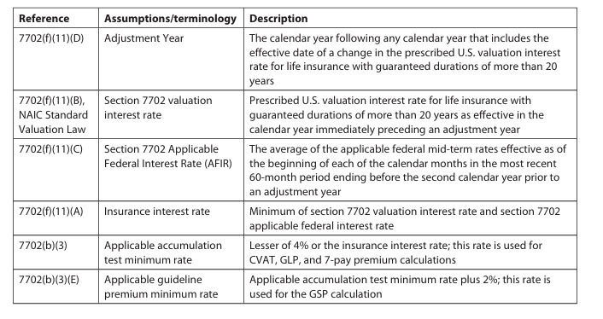

 | Depiction of how the calculations work
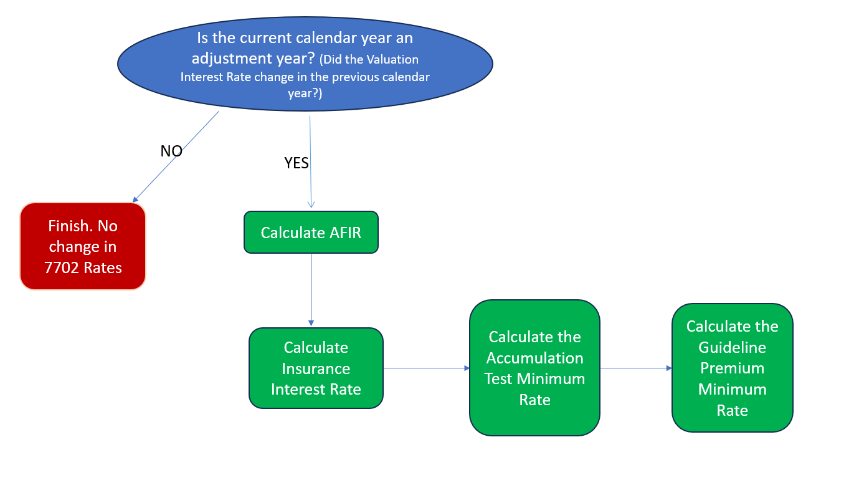

The term "valuation interest rate" means the prescribed US valuation interest rate for life insurance with guarantee durations of more than 20 years.

Steps to determine the IRC Section 7702 Interest Rates based on the calendar year during which a contract is issued ("Issue Year).
1. Determine if the Issue Year is an "adjustment year" for IRC Section 7702 purposes. Was there a new valuation interest rate for the previous calendar year? |  |  | Is the current calendar year an adjustment year? (Did the Vallation Interest Rate change in the previous calendar year?)
 | a. If there is a new valuation interest rate for the calendar year immediately preceding the Issue Year, then the Issue Year is an adjustment year for IRC Section 7702 purposes. For example, if the valuation interest rate changes in 2025, then 2026 is an adjustment year for IRC Section 7702 purposes. Proceed to step 2.
 | b. If there is no change in the valuation rate for the calendar year immediately preceding the Issue Year, then the Issue Year is not an adjustment year for IRC Section 7702 purposes and there is no change to the IRC Section 7702 floor rates for that Issue Year. The 7702 rates do not get recalculated and you are done. For example, if the valuation interest rate in 2024 is the same as it was in 2023, then 2025 is not an adjustment year for IRC Section 7702 purposes.
Assuming the Issue Year is an adjustment year for IRC Section 7702 purpose, then complete the following steps:
2. Determine the insurance interest rate for the "adjustment year" as the lesser of a. and b. below.
 | a. Determine the section 7702 valuation interest rate for the "adjustment year."
 |  | The 7702 valuation interest rate is redetermined each time the Issue Year is an "adjustment year". With respect to any adjustment year, the 7702 valuation interest rate is the prescribed U.S. valuation interest rate for life insurance with guaranteed durations of more than 20 years (as defined in the National Association of Insurance Commissioners’ Standard Valuation Law) as effective in the calendar year immediately preceding the adjustment year.
 | b. Determine the section 7702 applicable federal interest rate for the adjustment year.
 |  | This rate equals the average (rounded to the nearest whole percentage point) of the applicable federal mid term rates effective as of the beginning of the calendar month of the 60-month period ending (in December) before the second calendar year prior to the adjustment year. The AFR to use are the applicable Federal mid-term rates (as defined in section 1274(d) but based on annual compounding). Such rates are published by the IRS. Currently, the IRS publishes the 60-month average of the relevant AFRs as well, each January.
 | For example, if the valuation interest rate changes in 2025, so that 2026 is an adjustment year, then use the average (rounded to the nearest whole percentage point) of such applicable federal midterm rates effective as of the beginning of each calendar month of the 60-month period ending in December, 2023. In this regard, December, 2023 is the end of the calendar year immediately before the two years prior to 2026. The average of such rates would be determined first, and then the resulting average would be rounded to the nearest whole percentage point.
3. For contracts issued during an Issue Year, determine the Applicable Accumulation Test Minimum Rate* as the lesser of the annual effective rate of 4% and the insurance interest rate for the relevant adjustment year as determined in step 2.
4. For contracts issued during an Issue Year, determine the Applicable Guideline Premium Minimum Rate* as the Applicable Accumulation Test Minimum Rate (as determined in step 3) plus 2%.
* These rates are interest rate floors for the purposes of IRC Sections 7702(b) and 7702(c). Rate or Rates guaranteed on issuance of the contract must also be considered when determining rates to use in your 7702 and 7702A limits.

